CalfromCoeffMeasured19450129
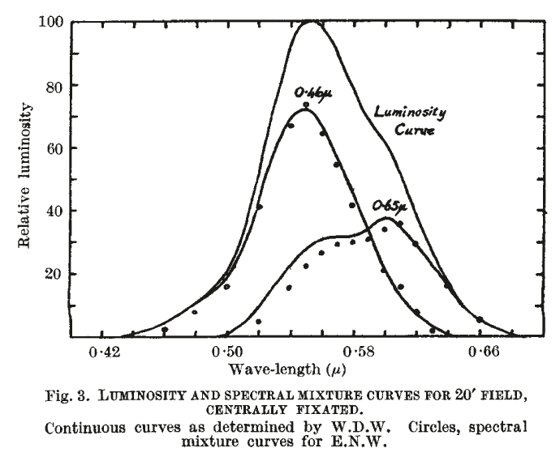
 |  |  |  | Willmer, E. N., and W. D. Wright. 1945. “Colour Sensitivity of the Fovea Centralis.” Nature 156 (3952): 119–21.

oeff
 | wavelength | Coeffs |  | Coeffs x LumY |  |  |  | Mixture curves
 |  | 650nm | 460nm | 650nm (.67) | 460nm (1.00) | Sum | Equal Energy LumY | 650nm | 460nm
 | 450
 | 460 | 0 | 1 | 0 | 1 | 1 | 0.05 | 0 | 0.05
 | 470 | 0.04 | 0.96 | 0.03 | 0.96 | 0.99 | 0.07 | 0.0021 | 0.0679
 | 480 | 0.08 | 0.92 | 0.05 | 0.92 | 0.97 | 0.1 | 0.0052 | 0.0948
 | 490 | 0.11 | 0.89 | 0.07 | 0.89 | 0.96 | 0.14 | 0.0102 | 0.1296
 | 500 | 0.15 | 0.85 | 0.1 | 0.85 | 0.95 | 0.2 | 0.021 | 0.179
 | 510 | 0.19 | 0.81 | 0.13 | 0.81 | 0.94 | 0.33 | 0.046 | 0.2854
 | 520 | 0.23 | 0.77 | 0.15 | 0.77 | 0.92 | 0.53 | 0.087 | 0.443
 | 530 | 0.27 | 0.73 | 0.18 | 0.73 | 0.91 | 0.73 | 0.144 | 0.586
 | 540 | 0.32 | 0.68 | 0.21 | 0.68 | 0.89 | 0.91 | 0.215 | 0.695
 | 550 | 0.36 | 0.64 | 0.24 | 0.64 | 0.88 | 0.99 | 0.27 | 0.72
 | 560 | 0.39 | 0.61 | 0.26 | 0.61 | 0.87 | 0.96 | 0.287 | 0.673
 | 570 | 0.44 | 0.56 | 0.29 | 0.56 | 0.85 | 0.88 | 0.3 | 0.58
 | 580 | 0.49 | 0.51 | 0.33 | 0.51 | 0.84 | 0.76 | 0.298 | 0.462
 | 590 | 0.57 | 0.43 | 0.38 | 0.43 | 0.81 | 0.71 | 0.333 | 0.377
 | 600 | 0.69 | 0.31 | 0.46 | 0.31 | 0.77 | 0.6 | 0.358 | 0.242
 | 610 | 0.78 | 0.22 | 0.52 | 0.22 | 0.74 | 0.49 | 0.344 | 0.146
 | 620 | 0.85 | 0.15 | 0.57 | 0.15 | 0.72 | 0.38 | 0.301 | 0.079
 | 630 | 0.91 | 0.09 | 0.61 | 0.09 | 0.7 | 0.29 | 0.253 | 0.037
 | 640 | 0.96 | 0.04 | 0.64 | 0.04 | 0.68 | 0.21 | 0.2198 | 0.012
Recon of Willmer and Wright 1945 Fig 1
450
460 | 0 | 1
470 | 0.04 | 0.96
480 | 0.08 | 0.92
490 | 0.11 | 0.89
500 | 0.15 | 0.85
510 | 0.19 | 0.81
520 | 0.23 | 0.77
530 | 0.27 | 0.73
540 | 0.32 | 0.68
550 | 0.36 | 0.64
560 | 0.39 | 0.61
570 | 0.44 | 0.56
580 | 0.49 | 0.51
590 | 0.57 | 0.43
600 | 0.69 | 0.31
610 | 0.78 | 0.22
620 | 0.85 | 0.15
630 | 0.91 | 0.09
640 | 0.96 | 0.04
650 | 1 | 0
 | 650 | 1 | 0 | 0.67 | 0 | 0.67 | 0.15 | 0.15 | 0

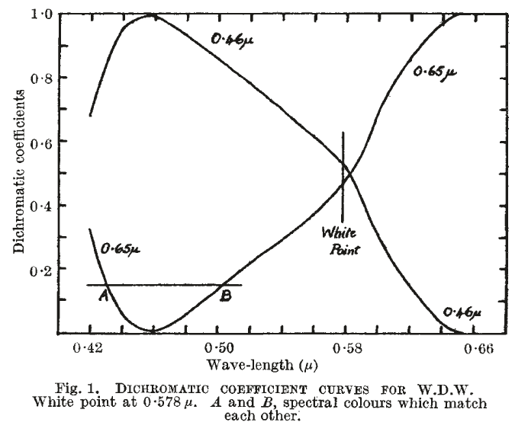

Recon of Willmer and Wright 1945 Fig 3
450
460 | 0.05 | 0 | 0.05
470 | 0.07 | 0.0021 | 0.0679
480 | 0.1 | 0.0052 | 0.0948
490 | 0.14 | 0.0102 | 0.1296
500 | 0.2 | 0.021 | 0.179
510 | 0.33 | 0.046 | 0.2854
520 | 0.53 | 0.087 | 0.443
530 | 0.73 | 0.144 | 0.586
540 | 0.91 | 0.215 | 0.695
550 | 0.99 | 0.27 | 0.72
560 | 0.96 | 0.287 | 0.673
570 | 0.88 | 0.3 | 0.58
580 | 0.76 | 0.298 | 0.462
590 | 0.71 | 0.333 | 0.377
600 | 0.6 | 0.358 | 0.242
610 | 0.49 | 0.344 | 0.146
620 | 0.38 | 0.301 | 0.079
630 | 0.29 | 0.253 | 0.037
640 | 0.21 | 0.2198 | 0.012
650 | 0.15 | 0.15 | 0

TranformationsDoubtful
 | Transformations Doubtful |  | I think these are data originally derived from the bule primary being 490nm, but have been tranformed (with doubt) to a 460nm primary
wavelength | Coeffs |  |  | Coeffs x LumY / D...t |  |  |  | Mixture curves
 | 650nm | 460nm |  | 650nm | 460nm | sum? | Equal Energy LumY | 650nm | 460nm
450 | -0.032 | 1.032 |  | -0.065 | 1.032
460 | 0 | 1 |  | 0 | 1
470 | 0.034 | 0.966 |  | 0.068 | 0.966 | 1.034 | 0.04 | 0.003 | 0.04
480 | 0.093 | 0.907 |  | 0.19 | 0.907 | 1.097 | 0.06 | 0.01 | 0.05
490 | 0.145 | 0.855 |  | 0.296 | 0.855 | 1.151 | 0.1 | 0.025 | 0.075
500 | 0.161 | 0.839 |  | 0.328 | 0.839 | 1.167 | 0.17 | 0.11 | 0.12
510 | 0.216 | 0.784 |  | 0.44 | 0.784 | 1.224 | 0.31 | 0.21 | 0.2
520 | 0.248 | 0.752 |  | 0.505 | 0.752 | 1.257 | 0.52 | 0.31 | 0.31
530 | 0.281 | 0.719 |  | 0.573 | 0.719 | 1.292 | 0.71 | 0.42 | 0.4
540 | 0.315 | 0.685 |  | 0.642 | 0.685 | 1.327 | 0.87 | 0.51 | 0.45
550 | 0.352 | 0.648 |  | 0.718 | 0.648 | 1.366 | 0.98 | 0.56 | 0.47
560 | 0.397 | 0.603 |  | 0.809 | 0.603 | 1.412 | 0.97 | 0.51 | 0.41
570 | 0.442 | 0.558 |  | 0.9 | 0.558 | 1.458 | 0.82 | 0.47 | 0.31
580 | 0.488 | 0.512 |  | 0.995 | 0.512 | 1.507 | 0.71 | 0.45 | 0.24
590 | 0.56 | 0.44 |  | 1.14 | 0.44 | 1.58 | 0.62 | 0.46 | 0.17
600 | 0.668 | 0.332 |  | 1.36 | 0.332 | 1.692 | 0.57 | 0.44 | 0.11
610 | 0.756 | 0.244 |  | 1.54 | 0.244 | 1.784 | 0.51 | 0.35 | 0.07
620 | 0.83 | 0.17 |  | 1.69 | 0.17 | 1.86 | 0.39 | 0.27 | 0.04
630 | 0.896 | 0.104 |  | 1.82 | 0.104 | 1.924 | 0.28 | 0.18 | 0.01
640 | 0.952 | 0.048 |  | 1.94 | 0.048 | 1.988 | 0.18 | 0.1 | 0.004
650 | 1 | 0 |  | 2.04 | 0 | 2.04 | 0.1
450
460
470 | 0.04 | 0.003 | 0.04
480 | 0.06 | 0.01 | 0.05
490 | 0.1 | 0.025 | 0.075
500 | 0.17 | 0.11 | 0.12
510 | 0.31 | 0.21 | 0.2
520 | 0.52 | 0.31 | 0.31
530 | 0.71 | 0.42 | 0.4
540 | 0.87 | 0.51 | 0.45
550 | 0.98 | 0.56 | 0.47
560 | 0.97 | 0.51 | 0.41
570 | 0.82 | 0.47 | 0.31
580 | 0.71 | 0.45 | 0.24
590 | 0.62 | 0.46 | 0.17
600 | 0.57 | 0.44 | 0.11
610 | 0.51 | 0.35 | 0.07
620 | 0.39 | 0.27 | 0.04
630 | 0.28 | 0.18 | 0.01
640 | 0.18 | 0.1 | 0.004
650 | 0.1

AnAttemptAtGettingWillmerData
Willmer tabulated data on pages 9a,b 19441219
 | Coefficients |  |  |  |  | Coeffs by LumY
date | wavelength | 650nm | 460nm |  |  | 650nm | 460nm
19441219 | 582.5 | 0.5 | 0.5 | Page 9a,b | 440 | -0.252 | 1.753 | Page 9c
19441219 | 630 | 0.912 | 0.088 | Page 9a,b | 450 | -0.122 | 1.586 | Page 9c
19441219 | 610 | 0.744 | 0.256 | Page 9a,b | 460 | 0 | 1.43 | Page 9c
19441219 | 590 | 0.522 | 0.478 | Page 9a,b | 470 | 0.033 | 1.398 | Page 9c
19441219 | 570 | 0.379 | 0.621 | Page 9a,b | 490 | 0.091 | 1.31 | Page 9c
19441219 | 550 | 0.285 | 0.715 | Page 9a,b | 510 | 0.163 | 1.2 | Page 9c
19441219 | 530 | 0.24 | 0.76 | Page 9a,b | 530 | 0.242 | 1.11 | Page 9c
19441219 | 510 | 0.278 | 0.721 | Page 9a,b | 550 | 0.344 | 0.995 | Page 9c
19441219 | 490 | 0.234 | 0.766 | Page 9a,b | 570 | 0.466 | 0.887 | Page 9c
19441219 | 470 | 0.155 | 0.845 | Page 9a,b | 582.5 | 0.555 | 0.716 | Page 9c
19441219 | 582.5 | 0.5 | 0.5 | Page 9a,b | 590 | 0.611 | 0.644 | Page 9c
19441219 | 550 | 0.312 | 0.688 | Page 9a,b | 610 | 0.822 | 0.372 | Page 9c
19441219 | 510 | 0.224 | 0.776 | Page 9a,b | 630 | 1.01 | 0.129 | Page 9c
19441219 | 490 | 0.083 | 0.917 | Page 9a,b | 650 | 1.11 | 0 | Page 9c
19441219 | 470 | 0.012 | 0.988 | Page 9a,b
19441219 | 440 | -0.227 | 1.227 | Page 9a,b
19441219 | 450 | -0.136 | 1.136 | Page 9a,b
Willmer tabulated data on pages 9c 19441219
 | 650nm | 460nm
440 | -0.252 | 1.753
450 | -0.122 | 1.586
460 | 0 | 1.43
470 | 0.033 | 1.398
490 | 0.091 | 1.31
510 | 0.163 | 1.2
530 | 0.242 | 1.11
550 | 0.344 | 0.995
570 | 0.466 | 0.887
582.5 | 0.555 | 0.716
590 | 0.611 | 0.644
610 | 0.822 | 0.372
630 | 1.01 | 0.129
650 | 1.11 | 0
19441219 | 510 | 0.187 | 0.813 | Page 9a,b
19450108 | 582.5 | 0.5 | 0.5
19450108 | 450 | 0.052 | 0.948
19450108 | 440 | -0.111 | 1.111
19450108 | 430 | -0.112 | 1.112
19450108 | 490 | 0.096 | 0.904
19450108 | 470 | 0.004 | 0.996
19450108 | 450 | 0.144 | 0.856
19450108 | 440 | 0.019 | 0.981
19450213 | 582.5 | 0.5 | 0.5
19450213 | 440 | 0.154 | 0.846
19450213 | 460 | 0.166 | 0.834
19450213 | 480 | 0.27 | 0.73
19450213 | 500 | 0.247 | 0.753
19450213 | 520 | 0.324 | 0.676
19450213 | 540 | 0.296 | 0.704
19450213 | 560 | 0.307 | 0.693
19450213 | 600 | 0.535 | 0.465
19450213 | 620 | 0.785 | 0.215
19450213 | 640 | 0.884 | 0.116
19450213 | 540 | 0.211 | 0.789
19450213 | 560 | 0.241 | 0.759
19450213 | 540 | 0.175 | 0.825

